Consignment sale packing list
 |  |  |  |  |  | *
*Product | picture | Shipping Weight | FNSKU | ASIN | FBA QTY | AMAZON PRICE | AMAZON LINK
Posture Corrector-L | 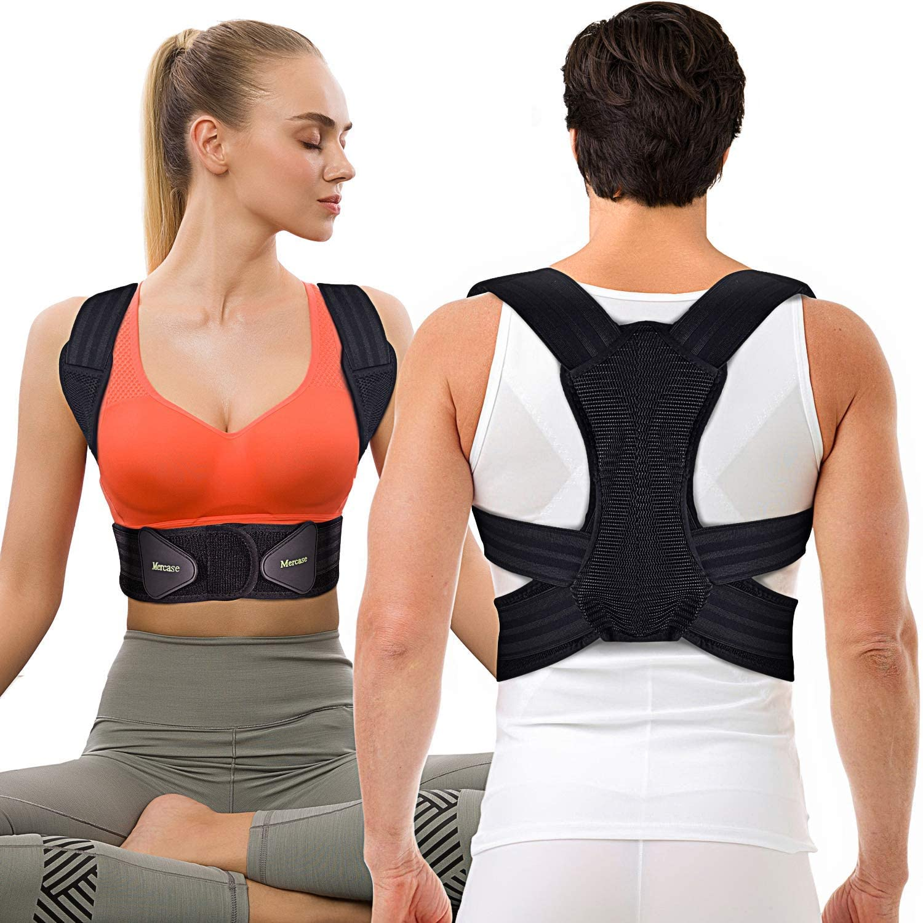 | 0.3 | X0011OOIN7 | B07TT2YGM2 | 4410 | £15.99 | https://www.amazon.co.uk/Corrector-Mercase-Comfortable-Adjustable-Providing/dp/B07TT2YGM2/ref=sr_1_6?dchild=1&keywords=mercase&qid=1631173379&sr=8-6
Posture Corrector-M |  | 0.3 | X0012WRDWB | B07Y1RN12F | 7515 | £15.99 | https://www.amazon.co.uk/dp/B07SR1H2G6/ref=twister_B08CK972TS?_encoding=UTF8&psc=1
Posture Corrector-XL |  | 0.3 | X0011W0OOL | B07SR1H2G6 | 4120 | £15.99 | https://www.amazon.co.uk/dp/B07Y1RN12F/ref=twister_B08CK972TS?_encoding=UTF8&th=1
Posture Corrector-L |  | 0.2 | X0016AD5E9 | B087R7H9WS | 600 | £15.99
Posture Corrector-M |  | 0.2 | X0016CJQLD | B0882YG7VW | 60 | £15.99
Posture Corrector-M |  | 0.2 | X0016CJQLD | B0882YG7VW | 76 | £15.99
Posture Corrector-XL |  | 0.2 | X0016CLBGB | B0882W3DG6 | 660 | £15.99
Posture Corrector-XL |  | 0.2 | X0016CLBGB | B0882W3DG6 | 64 | £15.99
 |  |  |  |  | 17505

注意事项
1、装箱单的全部资料必须使用英文，或者中英文
2、最终达成的清货价格一般是货主承担运费送货到我们指定仓库地址的交易金额，如果需要清多多安排提货可与对接人员沟通确认

